ACh-Offline
OFFLINE
ACh for
Microdialysis
1-2 |  |  |  |  |  |  |  |  | 2020-10-08

MULTIPLE & SEPARATION
High sensitivity

D-11
D-13
D-1
D-14
D-10
D-9
D-8
F-2
F-5
F-4
F-1
F-7
F-3
F-6
ACh Acetylcholine
IPHC (IS) Isopropylhomocholine
 |  |  |  |  |  | 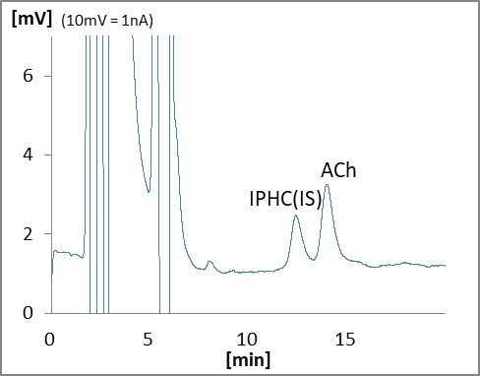

Mouse
Rat
 | In the case of one animal
 |  | Name | Type | Code | QTY | Unit Price (JPY) | Price (JPY) | Price (JPY) | Remark
 | Device
 | D-1 | HPLC-ECD system | HTEC-510 | 540510 | 1 |  | 0 | 0
 | D-8 | MicroSyringe Pump | ESP-32 | 206000 | 1 |  | 0 | 0 | for perfusion
 | D-9 | MicroSyringe Pump | ESP-32 | 206000 | 1 |  | 0 | 0 | for Internal standard
 | D-10 | Autosampler | M-510 | 740100 | 1 |  | 0 | 0
 | D-11 | Fraction Collector | EFC-96 | 303000 | 1 |  | 0 | 0
 | D-13 | Data Processor | EPC-710 | 795000 | 1 |  | 0 | 0
 | D-14 | Computer |  |  | 1 | depends on specs |  |  | Windows
 | Column
 |  | EICOMPAK Separation Column | AC-GEL | 680050 | 1 |  | 0 | 0 | 2.0φ x 150mm
 |  | Enzyme Column for Acetylcholine | AC-ENZYM1 | 680250 | 1 |  | 0 | 0 | 1φ x 4mm
 |  | Prepacked PreColumn 3.0mm *1 | PC-03CH | 681331 | 1 |  | 0 | 0 | 3φ x 4mm, for sample
 |  | Prepacked PreColumn 4.0mm | PC-04CH | 681431 | 1 |  | 0 | 0 | 4φ x 5mm, for mobile phase
 | Electrode
 |  | Platinum Working Electrode | WE-PT | 100030 | 1 |  | 0 | 0
 |  | Gasket 25 μm | GS-25P | 100085 | 1 |  | 0 | 0 | 3pcs/pkg
 | Free-moving and Probe
 | F-1 | Balancer | TLB-30 | 600111 | 1 |  | 0 | 0
 | F-2 | Two Way Swivel *2 | TCS2-23S | 800302 | 2 |  | 0 | 0
 | F-3 | Free Moving Tube for Rat *2 | WT-20T | 800130 | 2 |  | 0 |  | with Collar Holder
 | F-3 | Free Moving Tube for Mouse *2 | WT-20M | 800132 | 2 |  |  | 0
 |  | Teflon Tube With Joint 50cm *2 | JT-10 | 809210 | 6 |  | 0 | 0
 | F-4 | Microdialysis 3 Way Jointl *2 | JY-33 | 809520 | 2 |  | 0 | 0
 | F-5 | Collar | NF-10 | 800140 | 1 |  | 0
 |  | Probe Starter Set | PK-10 | 800400 | 1 |  | 0 | 0 | Select probe size
 | F-6 | Acrylic Cage for Rat | FC-30 | 809001 | 1 |  | 0
 | F-6 | Acrylic Cage for Mouse | FC-25 | 809002 | 1 |  |  | 0
 | F-7 | Instrument Shelf | K-50 | 900050 | 1 |  | 0 | 0
 | Mentenance Kit
 |  | Check Valve Assy (Inlet) | HT-IV | 550570 | 2 |  | 0 | 0
 |  | Check Valve Assy (Outlet) | HT-OV | 550571 | 2 |  | 0 | 0
 |  | Precolumn Suction Adapter | PA-05 | 680700 | 1 |  | 0 | 0
 |  | Spanner 8-10mm | SM0810 | 900056 | 2 |  | 0 | 0
 | Other
 |  | Internal Standard IPHC*3 | IPHC | 900052 | 1 |  | 0 | 0
 |  |  |  | Total |  |  | 0 | 0

 | Note | *1 Not required if acetylcholineesterase inhibitor is not used.
 |  | *2 Including spare.
 |  | *3 Need to apply for import permit.

