MA11s
5-3 |  |  |  |  |  |  |  | 2020-10-08
 | Monoamines and Metabolites for Tissue, Blood and other Samples

D-13
D-1
D-14
D-10
MHPG 3-Methoxy-4-hydoxyphenylglycol 5-HIAA 5-Hydroxyindole-3-acetic acid
NA Noradrenaline ISO (IS) Isoproterenol
AD Adrenaline HVA Homovanillic acid
DOPAC 3,4-Dihydoxyphenylacetic acid 3-MT 3-Methoxytyramine
NM Normethanephrine 5-HT Serotonin
DA Dopamine
 |  |  |  |  | 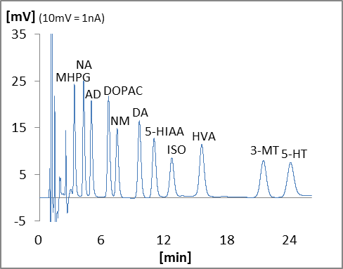

 |  | Name | Type | Code | QTY | Unit Price (JPY) | Price (JPY) | Remark
 | Device
 | D-1 | HPLC-ECD system | HTEC-510 | 540510 | 1 |  | 0
 | D-10 | Autosampler | M-510 | 740100 | 1 |  | 0
 | D-13 | Data Processor | EPC-710 | 795000 | 1 |  | 0
 | D-14 | Computer |  |  | 1 | depends on specs |  | Windows
 | Column
 |  | EICOMPAK Separation Column | SC-5ODS | 680060 | 1 |  | 0 | 3.0φ x 150mm
 |  | Prepacked PreColumn 4.0mm | PC-04AC | 681400 | 1 |  | 0 | 4φ x 5mm, for sample
 |  | Prepacked PreColumn 4.0mm | PC-04AC | 681400 | 1 |  | 0 | 4φ x 5mm, for mobile phase
 | Electrode
 |  | Graphite Working Electrode | WE-3G | 100010 | 1 |  | 0
 |  | Gasket 25 μm | GS-25 | 100080 | 1 |  | 0 | 3pcs/pkg
 | Mentenance Kit
 |  | Check Valve Assy (Inlet) | HT-IV | 550570 | 2 |  | 0
 |  | Check Valve Assy (Outlet) | HT-OV | 550571 | 2 |  | 0
 |  | Precolumn Suction Adapter | PA-05 | 680700 | 1 |  | 0
 |  | Spanner 8-10mm | SM0810 | 900056 | 2 |  | 0
 |  |  |  | Total |  |  | 0

