ACh and Ch-Others
1-3 |  |  |  |  |  |  |  | 2020-10-08
 | ACh and Ch for Tissue, Blood and Other Samples

D-13
D-1
D-14
D-10
ACh Acetylcholine
Ch Choline
EHC (IS) Ethylhomocholine
 |  |  |  |  |  | 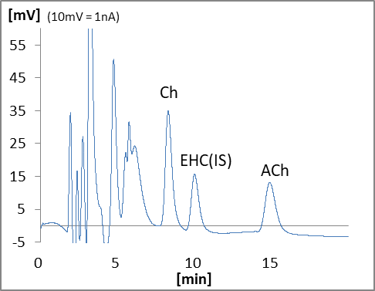

 |  | Name | Type | Code | QTY | Unit Price (JPY) | Price (JPY) | Remark
 | Device
 | D-1 | HPLC-ECD system | HTEC-510 | 540510 | 1 |  | 0
 | D-10 | Autosampler | M-510 | 740100 | 1 |  | 0
 | D-13 | Data Processor | EPC-710 | 795000 | 1 |  | 0
 | D-14 | Computer |  |  | 1 | depends on specs |  | Windows
 | Column
 |  | EICOMPAK Separation Column | AC-GEL | 680034 | 1 |  | 0 | 4.6φ x 150mm
 |  | Enzyme Column for Acetylcholine | AC-ENZYM3 | 680230 | 1 |  | 0 | 3φ x 4mm
 |  | Prepacked PreColumn 4.0mm | PC-04CH | 681431 | 1 |  | 0 | 4φ x 5mm, for sample
 |  | Prepacked PreColumn 4.0mm | PC-04CH | 681431 | 1 |  | 26,000 | 4φ x 5mm, for mobile phase
 |  | CA Trap Column | CA-TRAP | 681200 | 1 |  | 0 | 4φ x 5mm
 | Electrode
 |  | Platinum Working Electrode | WE-PT | 100030 | 1 |  | 0
 |  | Gasket 25 μm | GS-25P | 100085 | 1 |  | 0 | 3pcs/pkg
 | Mentenance Kit
 |  | Check Valve Assy (Inlet) | HT-IV | 550570 | 2 |  | 0
 |  | Check Valve Assy (Outlet) | HT-OV | 550571 | 2 |  | 0
 |  | Precolumn Suction Adapter | PA-05 | 680700 | 1 |  | 0
 |  | Spanner 8-10mm | SM0810 | 900056 | 2 |  | 0
 | Other
 |  | Internal Standard EHC*3 | EHC | 900051 | 1 |  | 0
 |  |  |  | Total |  |  | 26,000

 | Note | *3 Need to apply for import permit.

